Sheet1
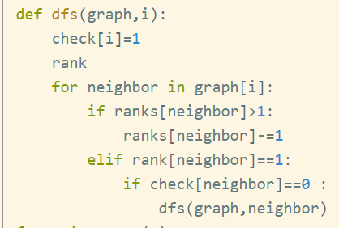
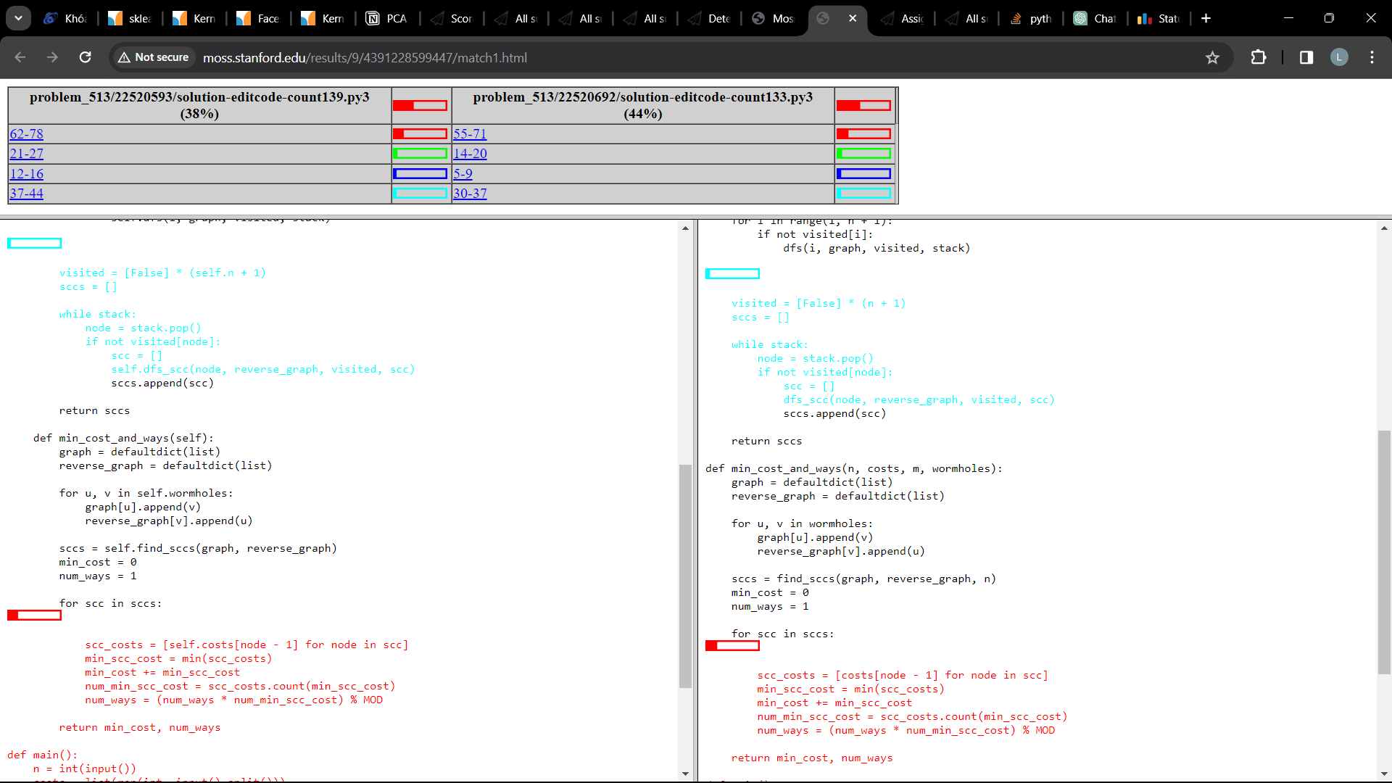
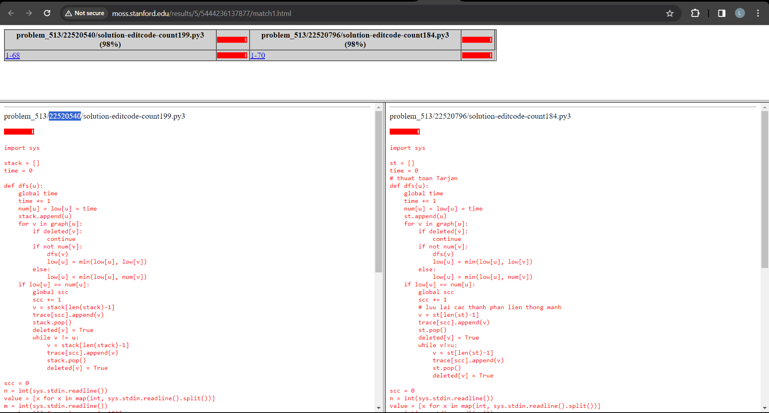
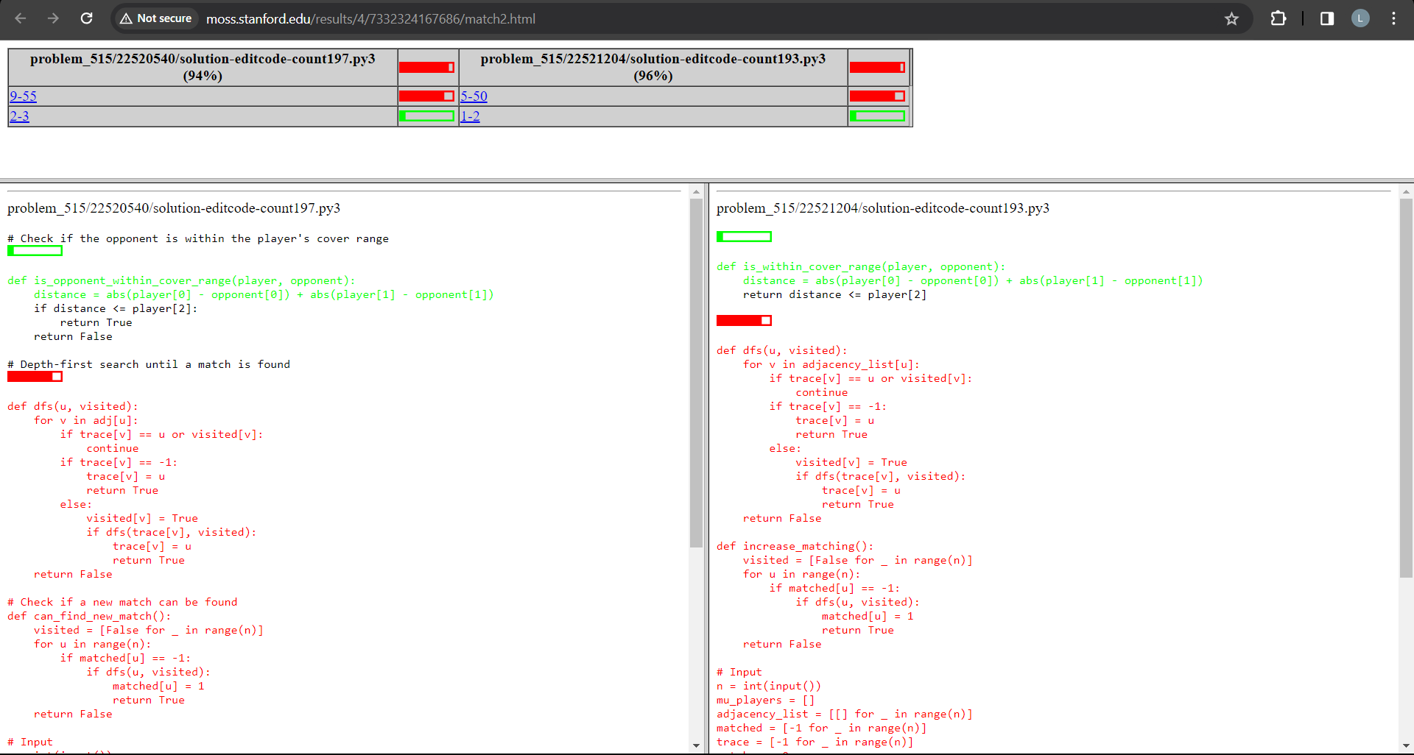
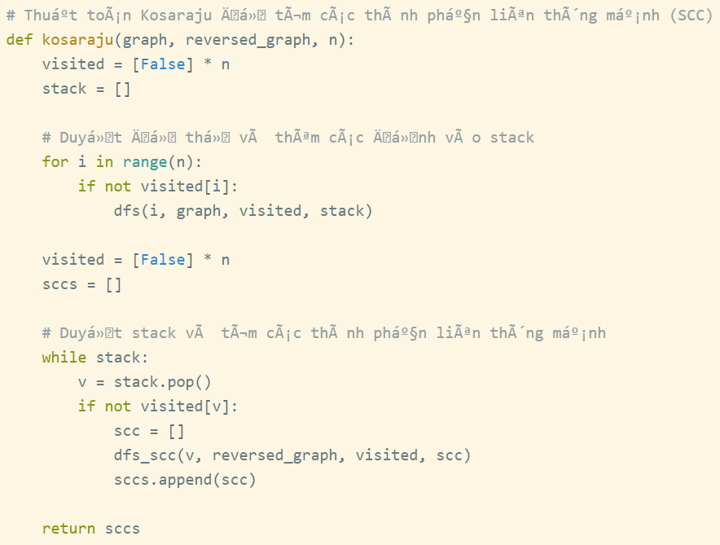
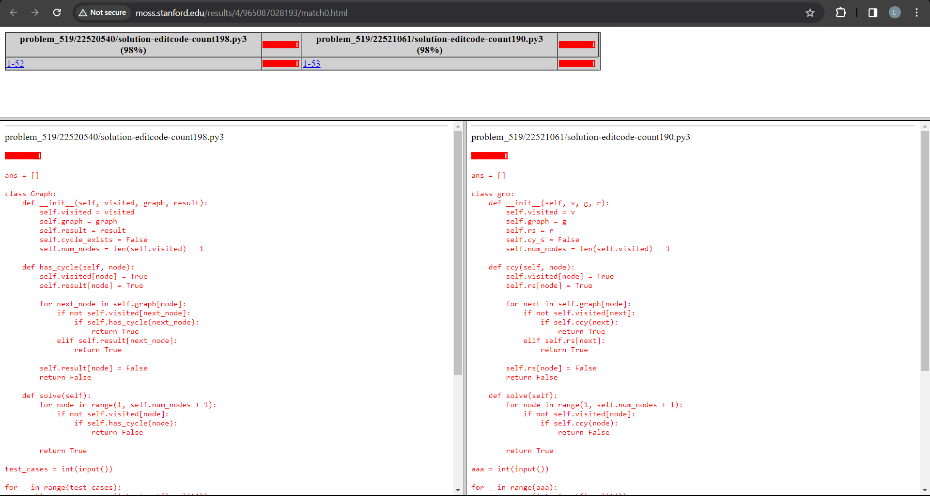
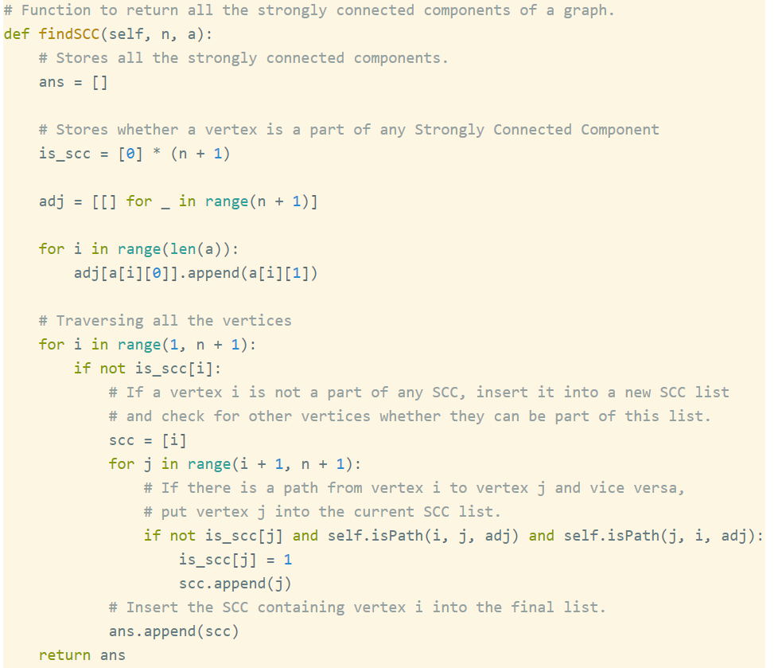
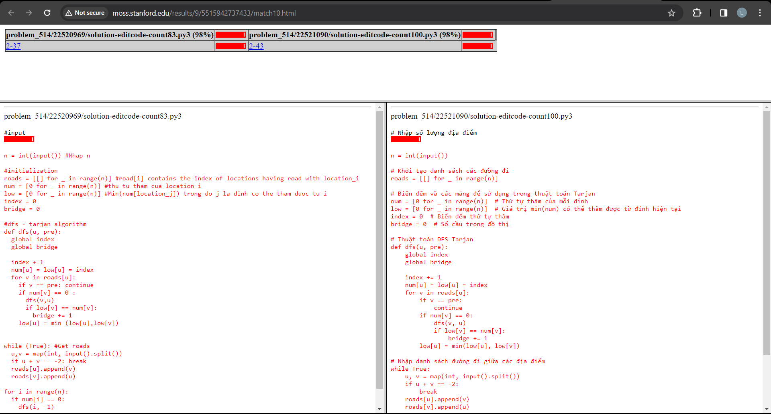
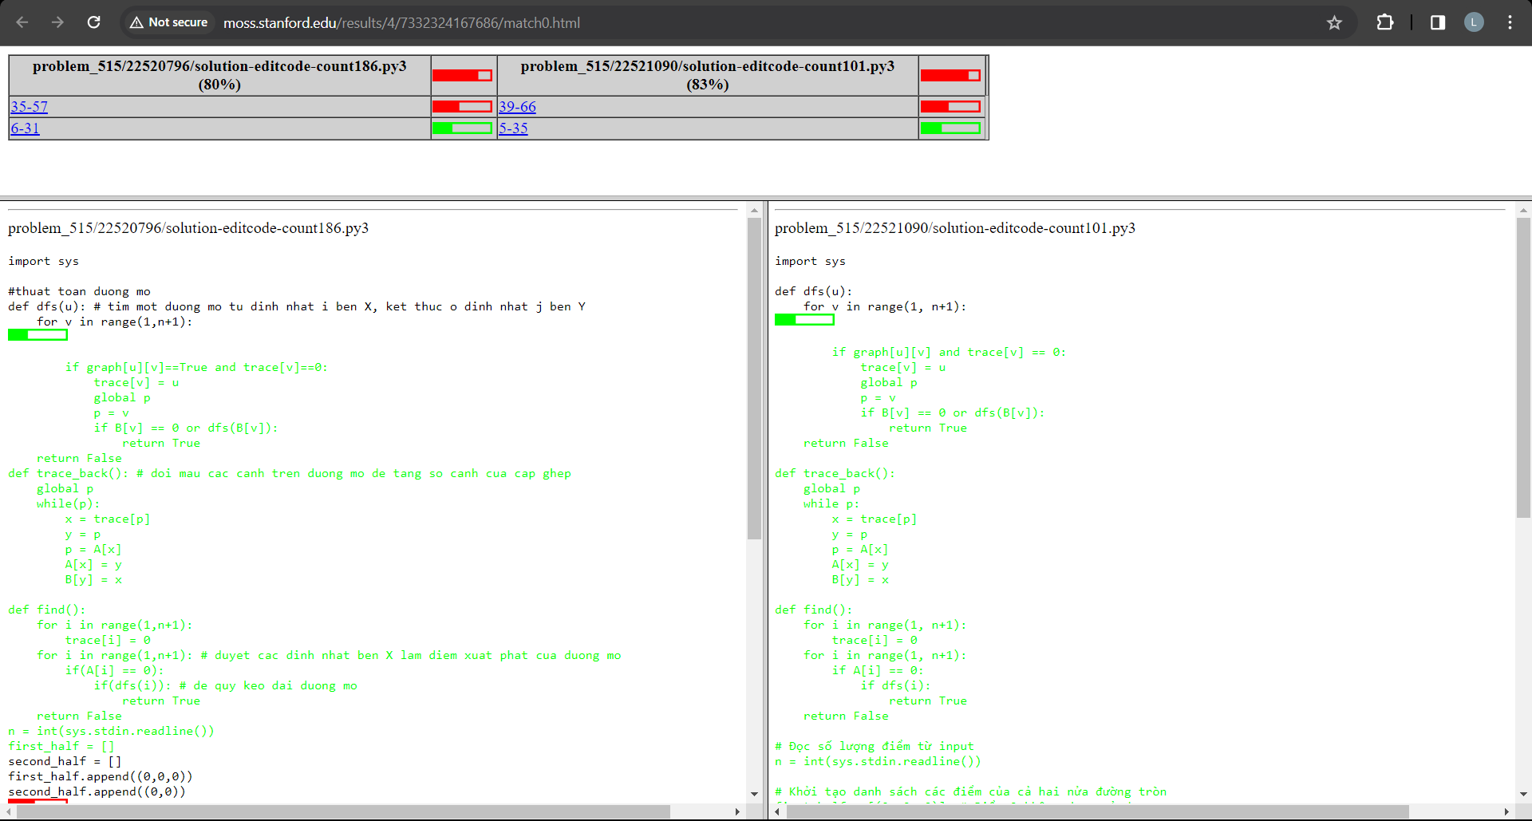
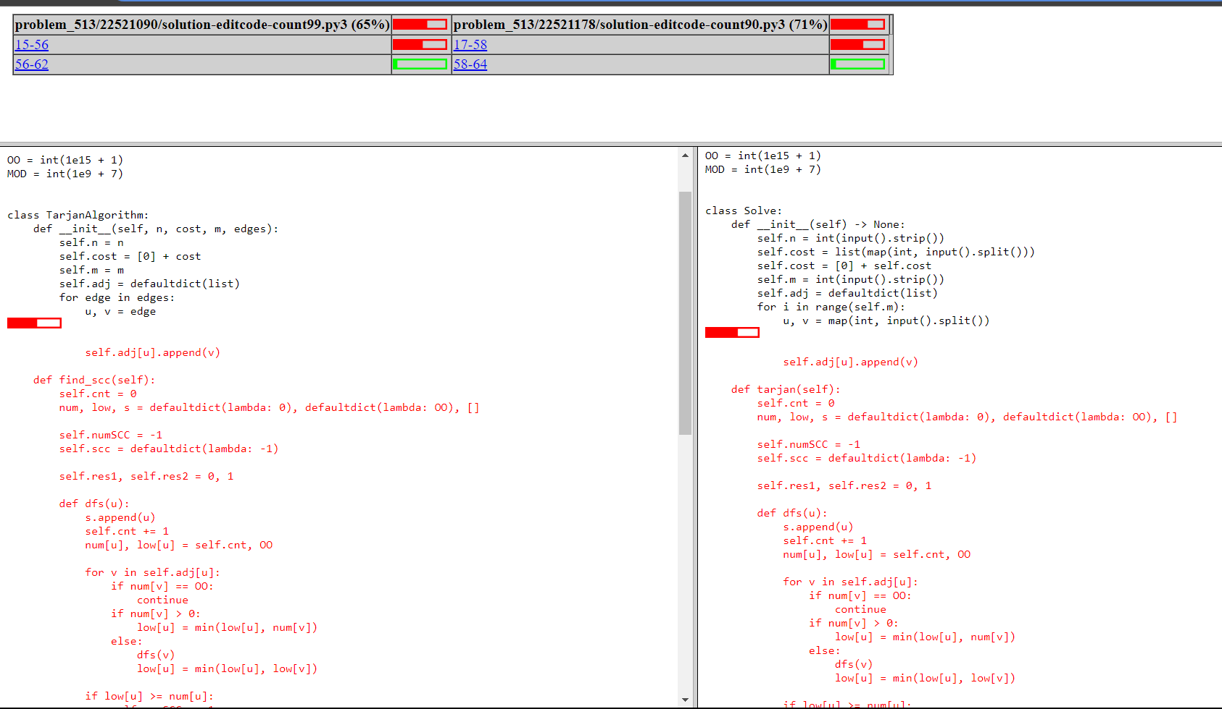
Plagiarism | -50%
Late submission on Tuesday | -25%
chưa cmt = đọc hong hỉu code

A,B,C | 40% of 80% | 32% | 80%
D,E,F | 60% of 80% | 48%
attendance | 10% |  | 20%
contribution (or G) | 10%

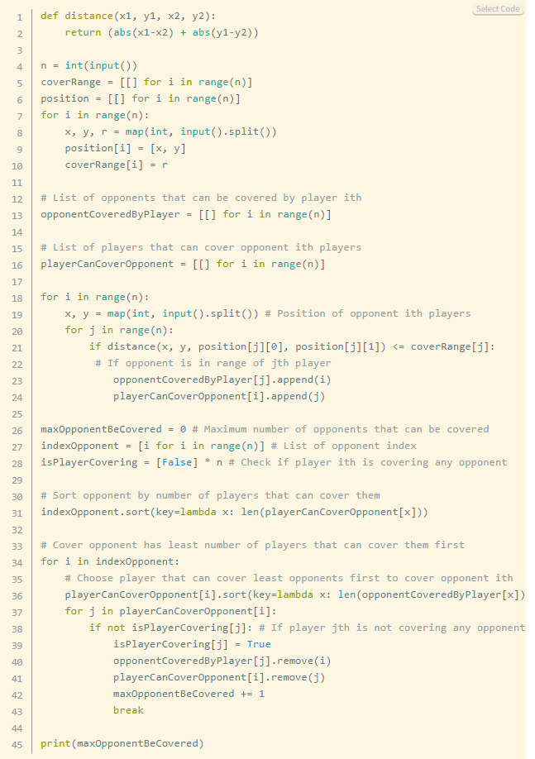
Team's ID | Student's ID | Name | BASIC |  |  | ADVANCE |  |  |  |  |  |  |  | Attendance | Contribution | Overall
 |  |  | Prob A | Prob B | Prob C | Prob D |  | Prob E |  | Prob F |  | Prob G
 |  |  | Points | Points | Points | Points | Comments | Points | Comments | Points | Comments | Points | Comments
1 | 22521090 | Phan Nguyễn Hữu Phong | 100% | 100% | 100% | 100% | - Topo Sort - Cmt có tâm :> - Code clean | 75% | submitted on Sat, 2 Dec 2023 16:56:03 - after 1178: Tue, 28 Nov 2023 17:26:06 | 75% | submitted on Sat, 2 Dec 2023 16:57:35 - after 0969: Mon, 27 Nov 2023 23:25:42 | 75% | submitted on Sat, 2 Dec 2023 16:57:52 - after 0796: Sat, 25 Nov 2023 18:49:36 | 10% |  | 89.5
 | 22520567 | Nguyễn Tiến Huy
2 | 22520817 | Nguyễn Hữu Hoàng Long | 100% | 100% | 100% | 100% | - Topo sort - Code clean, OOP - cmt đầy đủ | 75% | - Late submission: Wed, 13 Dec 2023 23:28:33 1d 23h late | 100% | - Tarjan | 100% | - New approach: Greedy | 10% | 10% | 100
 | 22520004 | Trần Như Cẩm Nguyên
3 | 22521065 | Đặng Hữu Phát |  |  |  |  |  | 100% | - New approach in finding SCCs | 75% | submitted on Mon, 11 Dec 2023 21:49:41 - (?) https://www.geeksforgeeks.org/bridge-in-a-graph/ (?) | 100% | - Find maximum cardinality matching | 10% |  | 96
 | 22521576 | Lê Trọng Đại Trường | 100% | 100% | 100% | 100% | - Topo Sort - Code clean, oop - Cmt tốt
4 | 22521061 | Phạm Quang Nhựt |  |  |  | 100% | - Chưa cmt |  |  |  |  |  |  | 10% |  | 90
 | 22521392 | Nguyễn Trần Duy Thiên | 100% | 100% | 100% |  |  | 100% | - Tarjan - Late submission: Thu, 14 Dec 2023 09:11:02 | 100% | - Tarjan
5 | 22520093 | Nguyễn Xuân Bách |  |  |  |  |  |  |  |  |  |  |  | 10% |  | 100
 | 22521156 | Phan Hoàng Phước | 100% | 100% | 100% | 100% | - Rất kiên trì với 12 lần submit :> - Chưa cmt | 100% | - Tarjan | 100% | - Tarjan | 100% | - Find maximum cardinality matching
6 | 22520638 | Lê Trần Quốc Khánh | 100% | 100% | 100% |  |  |  |  |  |  |  |  | 10% | 10% | 100
 | 22520691 | Trần Nhật Khoa |  |  |  | 100% | Using setrecursionlimit để giới hạn đệ quy (tà đạo :) nma cũng hay ) | 100% |  | 100% | - Tarjan - code clean, cmt dễ hiểu
7 | 22520946 | Lê Tín Nghĩa | 100% | 100% | 100% |  |  |  |  |  |  |  |  | 10% |  | 100
 | 22520796 | Trần Hữu Lộc |  |  |  | 100% | chưa cmt | 100% | - Tarjan | 100% | - Tarjan | 100% | - Find maximum cardinality matching
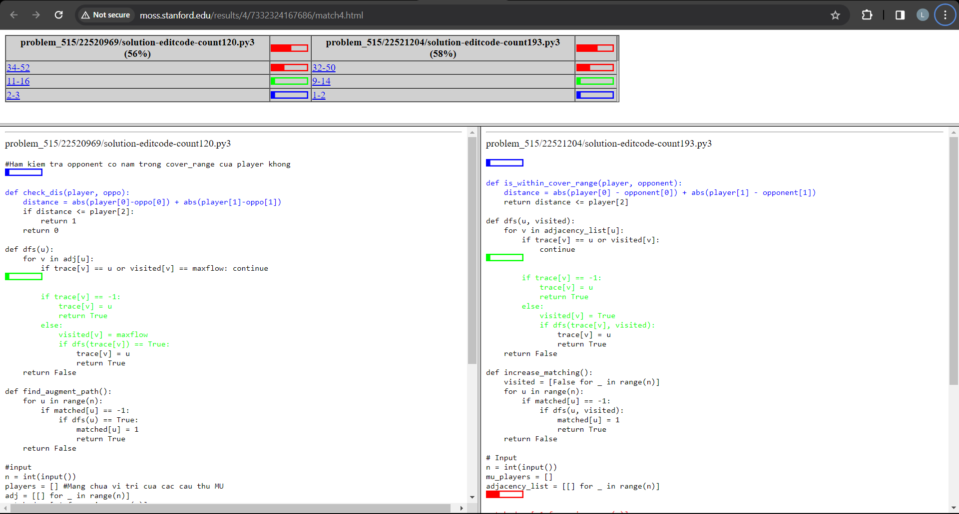
8 | 22521178 | Hoàng Ngọc Quân | 100% | 100% | 100% | 100% | Topo Sort | 100% | - Tarjan | 100% | - Tarjan | 100% | - Find maximum cardinality matching | 10% |  | 100
 | 22520361 | Trần Thị Cẩm Giang
9 | 22521551 | Phạm Thạch Thanh Trúc | 100% | 100% | 100% | 100% | - Topo Sort - Code clean, oop - Cmt dễ hiểu | 100% | - New Approach: Kosaraju's Algorithm | 100% | - Tarjan | 100% |  | 10% |  | 100
 | 22521500 | Phan Huỳnh Ngọc Trâm
10 | 22521204 | Nguyễn Thọ Quang | 100% | 100% | 100% | 100% | - Cách duyệt DFS khác biệt (tính rank, xóa cạnh) | 100% | - New Approach: Kosaraju's Algorithm | 100% | - Tarjan | 75% | submitted on Mon, 11 Dec 2023 23:57:15 - after 0969: Sat, 9 Dec 2023 23:23:18 | 10% | 10% | 107.5
 | 22521653 | Châu Thế Vĩ
11 | 22520969 | Lê Bình Nguyên | 100% | 100% | 100% | 100% | - Topo sort | 100% | - chưa cmt | 100% | - Tarjan | 100% | New Approach: Hopcroft - Karp Algorithm | 10% |  | 100
 | 22520042 | Dương Phạm Hoàng Anh
12 | 22521120 | Lê Quang Thiên Phúc
 | 22520766 | Lý Nguyên Thùy Linh
13 | 22520558 | Nguyễn Đình Huy |  |  |  | 100% | - chưa cmt | 100% |  | 100% | - Tarjan | 100% | - Find maximum cardinality matching | 10% |  | 100
 | 22520002 | Trần Kim Ngọc Ngân | 100% | 100% | 100%
14 | 22520540 | Dương Việt Huy | 100% | 100% | 100% | 25% | - submitted on Tue, 12 Dec 2023 00:04:37 - after 1061: Mon, 11 Dec 2023 23:45:33 - late submission: Tue, 12 Dec 2023 00:04:37 | 50% | submitted on Tue, 12 Dec 2023 00:05:50 - after 0796: Mon, 11 Dec 2023 23:24:24 |  |  | 75% | submitted on Tue, 12 Dec 2023 00:03:48 2m 48s late - after 0969: Sat, 9 Dec 2023 23:23:18 - late submission: Tue, 12 Dec 2023 00:03:48 2m 48s late | 10% |  | 84
 | 22520692 | Trần Tuấn Khoa |  |  |  | 100% | - Topo Sort | 100% | - Kosaraju | 0%
15 | 22521333 | Nguyễn Duy Thắng | 100% | 100% | 100% | 100% | - Topo sort | 100% | - Tarjan | 100% | - Tarjan | 100% | - Find maximum cardinality matching | 10% |  | 100
 | 22521290 | Đặng Lê Thành Tâm |  |  |  |  |  |  |  | 100% |  | 100%
16 | 22520593 | Nguyễn Thanh Hỷ | 100% | 100% | 100% | 100% | - Topo sort - code clean oop | 100% | late submission: Wed, 13 Dec 2023 17:38:59 1d 17h late | 100% | - Tarjan - Late submission: Wed, 13 Dec 2023 15:57:33 | 100% | - Find maximum cardinality matching | 10% |  | 100

